Screenshots
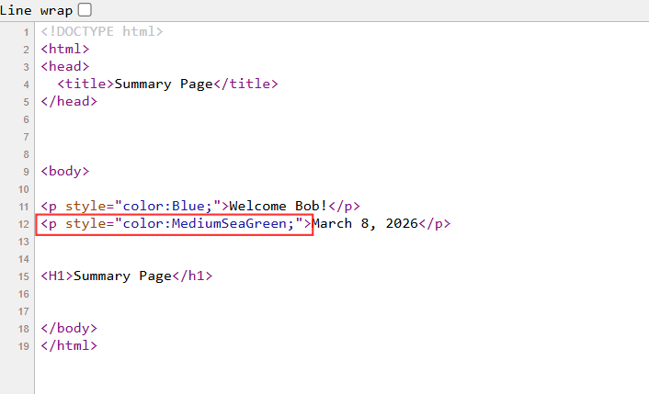
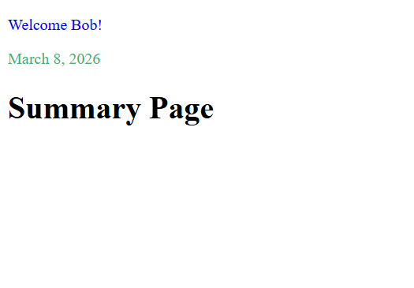
Cases #2, #3 & #5

Note: I took a look at the source code and noticed that the date is coded with Medium See Green. Also, code is missing Logout Button.

